Sheet1
 | PINK SHIRT DAY - FEBRUARY 22, 2023
 | SCHOOL ORDER FORM
Today, our diversity is becoming more visible than ever as people continue to embrace their cultures, identities, and true-selves in more open and direct ways. The need to #LiftEachOtherUp by having greater acceptance, respect and inclusion for everyone is so important. Help us celebrate our diversity while raising funds for inclusive anti-bullying programs for kids in our communities.
Student Name: |  |  | Parent/Guardian:
Phone Number:

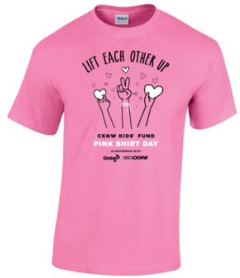
 |  |  | SIZE | A | B | Adult Size Chart
 |  |  | S | 36" | 28" | A - Chest
 |  |  | M | 40" | 29" | B - Length
 |  |  | L | 44" | 30"
 |  |  | XL | 48" | 31"
 |  |  | 2XL | 52" | 32"
 |  |  | 3XL | 56" | 33"
 |  |  | Tol. | +/- 0.75" | +/- 1"

 |  |  | XS | 32" | 20.5" | Youth Size Chart
 |  |  | S | 34" | 22" | A - Chest
 |  |  | M | 36" | 23.5" | B - Length
 |  |  | L | 38" | 25"
 |  |  | XL | 40" | 26.5"
 |  |  | Tol. | +/- 0.5" | +/- 1"

Adult Sizes: | Quantity | Each | Youth Sizes: |  | Quantity |  | Each

Adult S |  | $10.55 | Youth XS |  |  |  | $10.29
Adult M |  | $10.55 | Youth S |  |  |  | $10.29
Adult L |  | $10.55 | Youth M |  |  |  | $10.29
Adult XL |  | $10.55 | Youth L |  |  |  | $10.29
Adult 2XL |  | $12.88 | Youth XL |  |  |  | $10.29
Adult 3XL |  | $12.88

Total Qty: | 0 |  | Total Qty: |  | 0

Adult Total: | $0.00 |  | Youth Total: |  | $0.00

** Friendship bracelet is an |  |  | Friendship bracelet |  |  |  | $2.65
add-on item. You may order
as many as you like, they just
need to be purchased in
addition to your T-shirts. |  |  | Grand Total Enclosed: |  | $0.00

Please submit your form to ________________________ by Wednesday January 18, 2023.
* Need more PINK? Toques, Buttons & this year’s Limited Edition item will be sure to quench your thirst! Check them out here on our Pink Shirt Day shop:
https://pinkshirtday.imagegroupinc.ca/

